5.21
Case Contact Name | Location | CaseNumber | Member | Description | Resolution Notes
姓名：Ye Feng Lin 日期：2025.05.22-2025.05.23 渠道：飞猪 | 857move 1517 | 691434091 | Titanium Elite | 857客人5月22日21：22致电反馈淋浴间的挡板掉下来了。 Guest 857 called at 21:22 to report that the shower panel has fallen down. | GSM致电客人，据了解客人在房间听见一声响。发现淋浴间挡板掉落。GSM关心客人，客人表示没有受伤。也没有关系，理解酒店可能设施老化了。GSM向客人致歉，客人表示换间房就好。GSM为客人换房到套房1517，客人满意，并表示感谢。 GSM called the guest and learned that the guest heard a noise in the room. They found that the shower screen had fallen. GSM expressed concern for the guest, who stated that they were not injured and that it was fine, understanding that the hotel's facilities might be aging. GSM apologized to the guest, who said that a room change would be acceptable. GSM moved the guest to suite 1517, and the guest was satisfied and expressed thanks. | 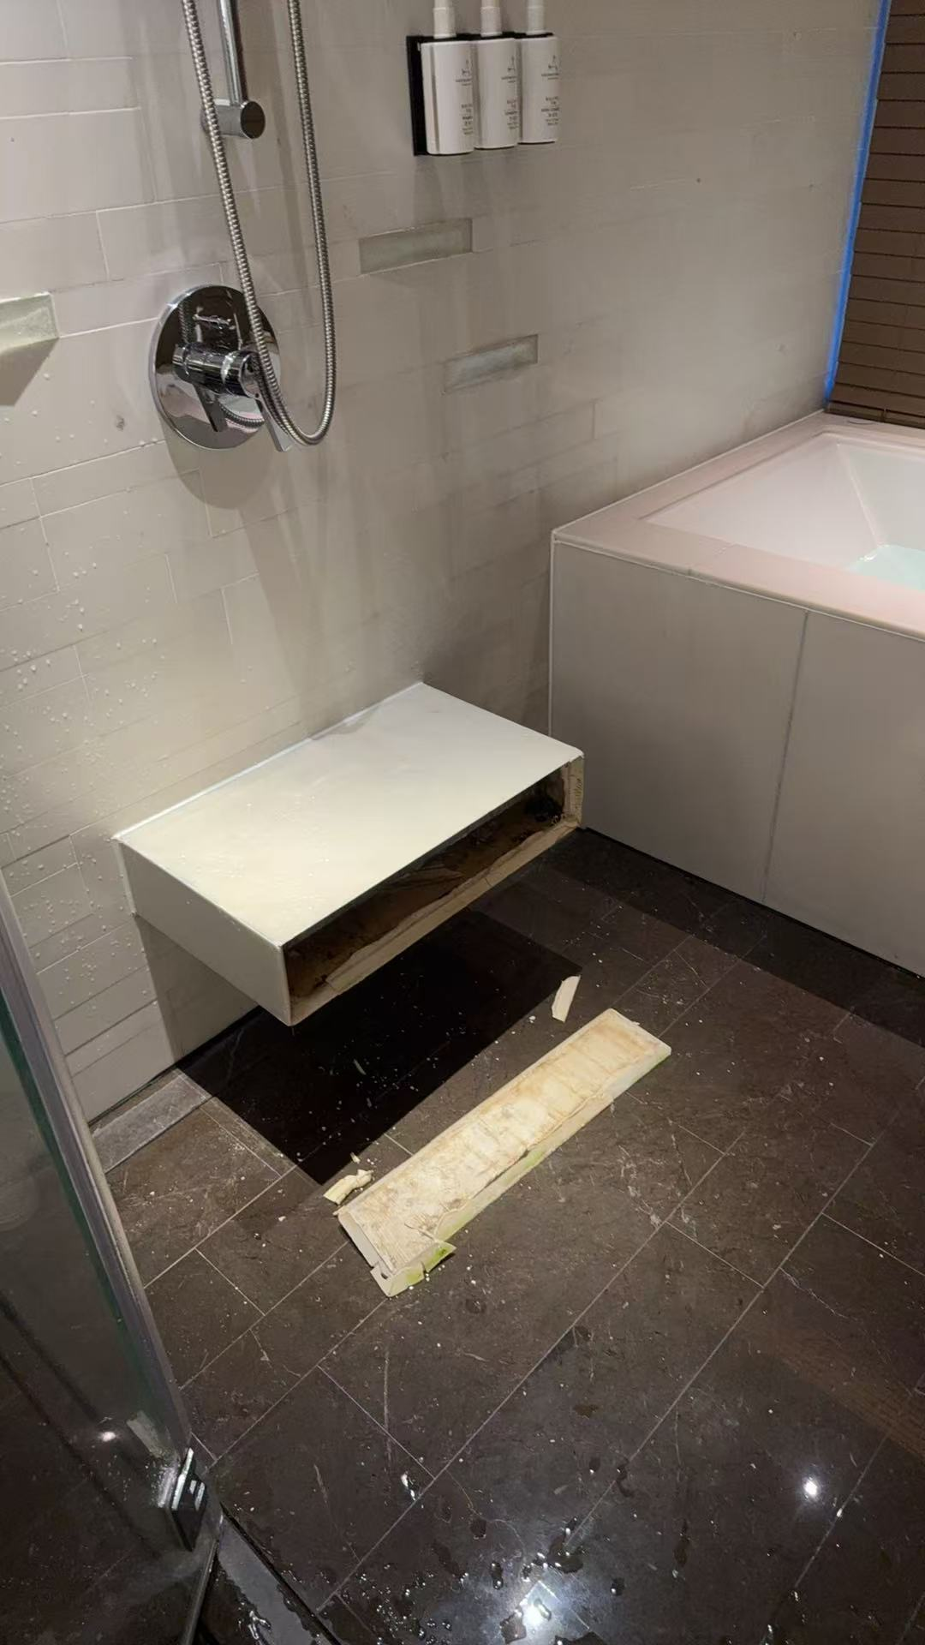

姓名：刘兰 日期：2025.05.22-2025.05.23 渠道：携程 | 715move 915 | 691499724 | NIL | 客人投诉房间被子里有虫子（疑似天牛） The guest complained that there are bugs (suspected to be longicorn beetles) in the bed. | 5月23日1：30 AM客人准备休息打开被子发现有虫子（疑似天牛）要求换房，GSM Lyla安抚客人情绪帮客人升级至迎海轩大床，明日GSM 团队持续跟进客人入住体验。 On May 23rd at 1:30 AM, a guest complained that there were bugs (suspected longhorn beetles) in the bedding. GSM Lyla calmed the guest and assisted in upgrading them to a king bed in the Seaside Suite. Tomorrow, the GSM team will continue to follow up on the guest's stay experience. | 